decile
 |  |  |  |  | Percentages
Decile | # Customers | Total Transactions | Revenue | Profit | # Customers | Total Transactions | Revenue | Profit | Average revenue per customer | Average profit per customer | AOF AVerage order frequency | Order Value =Revenue/Transactions | Average Margin =Profit/Revenue
1 | 3,180 | 17,503 | 128,952,505 | 62,160,175 | 10% | 28.57% | 39.60% | 39.84% | 40,551.10 | 19,547.22 | 5.5 | $7,367 | 48%
2 | 3,180 | 8,703 | 55,542,905 | 27,079,030 | 10% | 14.21% | 17.06% | 17.36% | 17,466.32 | 8,515.42 | 2.7 | $6,382 | 49%
3 | 3,177 | 6,345 | 38,274,225 | 18,722,055 | 10% | 10.36% | 11.75% | 12.00% | 12,047.29 | 5,893.00 | 2 | $6,032 | 49%
4 | 3,178 | 5,349 | 29,017,010 | 13,916,595 | 10% | 8.73% | 8.91% | 8.92% | 9,130.59 | 4,379.04 | 1.7 | $5,425 | 48%
5 | 3,183 | 4,683 | 22,555,225 | 10,734,405 | 10% | 7.64% | 6.93% | 6.88% | 7,086.15 | 3,372.42 | 1.5 | $4,816 | 48%
6 | 3,124 | 4,330 | 17,169,955 | 7,948,270 | 10% | 7.07% | 5.27% | 5.09% | 5,496.14 | 2,544.26 | 1.4 | $3,965 | 46%
7 | 3,233 | 4,004 | 13,470,710 | 6,240,025 | 10% | 6.54% | 4.14% | 4.00% | 4,166.63 | 1,930.10 | 1.2 | $3,364 | 46%
8 | 2,996 | 3,414 | 9,381,075 | 4,326,685 | 9% | 5.57% | 2.88% | 2.77% | 3,131.20 | 1,444.15 | 1.1 | $2,748 | 46%
9 | 3,360 | 3,659 | 7,496,500 | 3,334,100 | 11% | 5.97% | 2.30% | 2.14% | 2,231.10 | 992.29 | 1.1 | $2,049 | 44%
10 | 3,186 | 3,270 | 3,740,550 | 1,554,795 | 10% | 5.34% | 1.15% | 1.00% | 1,174.06 | 488.01 | 1 | $1,144 | 42%
TOTAL | 31,797 | 61,260 | 325,600,660 | 156,016,135 | 100.00% | 100.00% | 100.00% | 100.00% |  | 4,906.63 | 1.9 | $5,315 | 48%

Customer Engagment |  |  |  |  |  | Revenue, Profit Concentration
Decile | SUM of # Customers | SUM of AOF AVerage order frequency | rows - decile |  |  | Decile | SUM of Revenue | SUM of Revenue | SUM of Profit | SUM of Profit | rows - decile
1 | 3,180 | 5.5 | values - customers,AOF |  |  | 1 | 39.60% | 128,952,505 | 62,160,175 | 39.84% | values - revenue, profit
2 | 3,180 | 2.7 |  |  |  | 2 | 17.06% | 55,542,905 | 27,079,030 | 17.36%
3 | 3,177 | 2 |  |  |  | 3 | 11.75% | 38,274,225 | 18,722,055 | 12.00%
4 | 3,178 | 1.7 |  |  |  | 4 | 8.91% | 29,017,010 | 13,916,595 | 8.92%
5 | 3,183 | 1.5 |  |  |  | 5 | 6.93% | 22,555,225 | 10,734,405 | 6.88%
6 | 3,124 | 1.4 |  |  |  | 6 | 5.27% | 17,169,955 | 7,948,270 | 5.09%
7 | 3,233 | 1.2 |  |  |  | 7 | 4.14% | 13,470,710 | 6,240,025 | 4.00%
8 | 2,996 | 1.1 |  |  |  | 8 | 2.88% | 9,381,075 | 4,326,685 | 2.77%
9 | 3,360 | 1.1 |  |  |  | 9 | 2.30% | 7,496,500 | 3,334,100 | 2.14%
10 | 3,186 | 1 |  |  |  | 10 | 1.15% | 3,740,550 | 1,554,795 | 1.00%
Grand Total | 31,797 | 19.3 |  |  |  | Grand Total | 100.00% | 325,600,660 | 156,016,135 | 100.00%
Value Decomposition |  |  |  |  |  | Transaction Volume Analysis
Decile | SUM of Order Value =Revenue/Transactions | SUM of Average Margin =Profit/Revenue | rows - decile |  |  | Decile | SUM of Total Transactions | SUM of Total Transactions | rows - decile
1 | $7,367 | 48% | values - order value, average margin |  |  | 1 | 28.57% | 17,503 | values - total transactions
2 | $6,382 | 49% |  |  |  | 2 | 14.21% | 8,703
3 | $6,032 | 49% |  |  |  | 3 | 10.36% | 6,345
4 | $5,425 | 48% |  |  |  | 4 | 8.73% | 5,349
5 | $4,816 | 48% |  |  |  | 5 | 7.64% | 4,683
6 | $3,965 | 46% |  |  |  | 6 | 7.07% | 4,330
7 | $3,364 | 46% |  |  |  | 7 | 6.54% | 4,004
8 | $2,748 | 46% |  |  |  | 8 | 5.57% | 3,414
9 | $2,049 | 44% |  |  |  | 9 | 5.97% | 3,659
10 | $1,144 | 42% |  |  |  | 10 | 5.34% | 3,270
Grand Total | $43,293 | 466% |  |  |  | Grand Total | 100.00% | 61,260

cohort
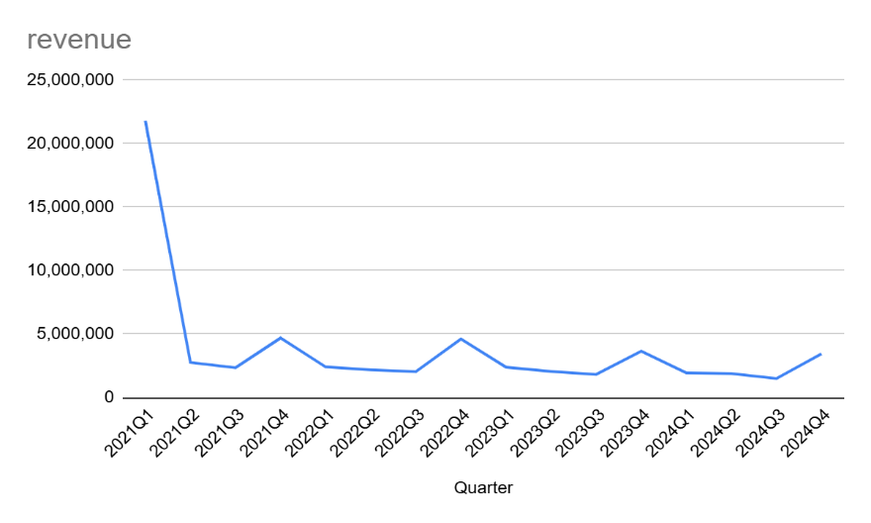
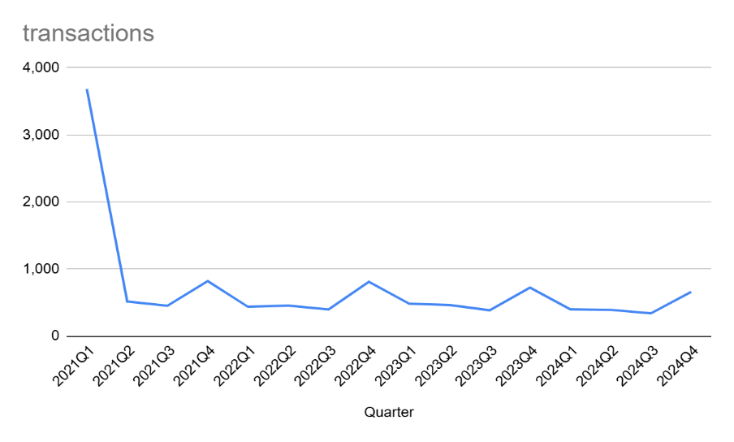
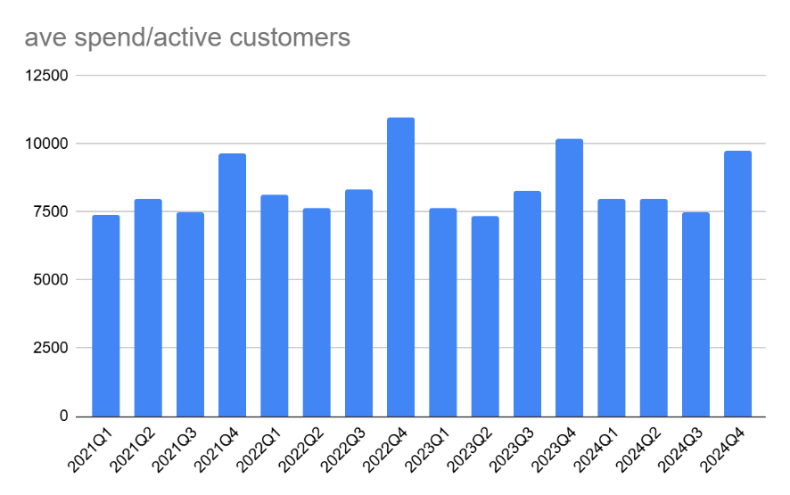
Quarter | # Customers | Total Transactions | Revenue | Profit | % active | Avg spend/active customer | AOF | AOV
2021Q1 | 2.943 | 3.683 | 21.803.980 | 10.398.135 | 940% | 7409 | 1.3 | 5920
2021Q2 | 346 | 513 | 2.765.015 | 1.386.330 | 111% | 7991 | 1.5 | 5390
2021Q3 | 313 | 451 | 2.352.130 | 1.173.700 | 100% | 7515 | 1.4 | 5215
2021Q4 | 485 | 819 | 4.692.930 | 2.335.300 | 155% | 9676 | 1.7 | 5730
2022Q1 | 296 | 435 | 2.411.530 | 1.161.600 | 95% | 8147 | 1.5 | 5544
2022Q2 | 286 | 453 | 2.186.470 | 1.074.425 | 91% | 7645 | 1.6 | 4827
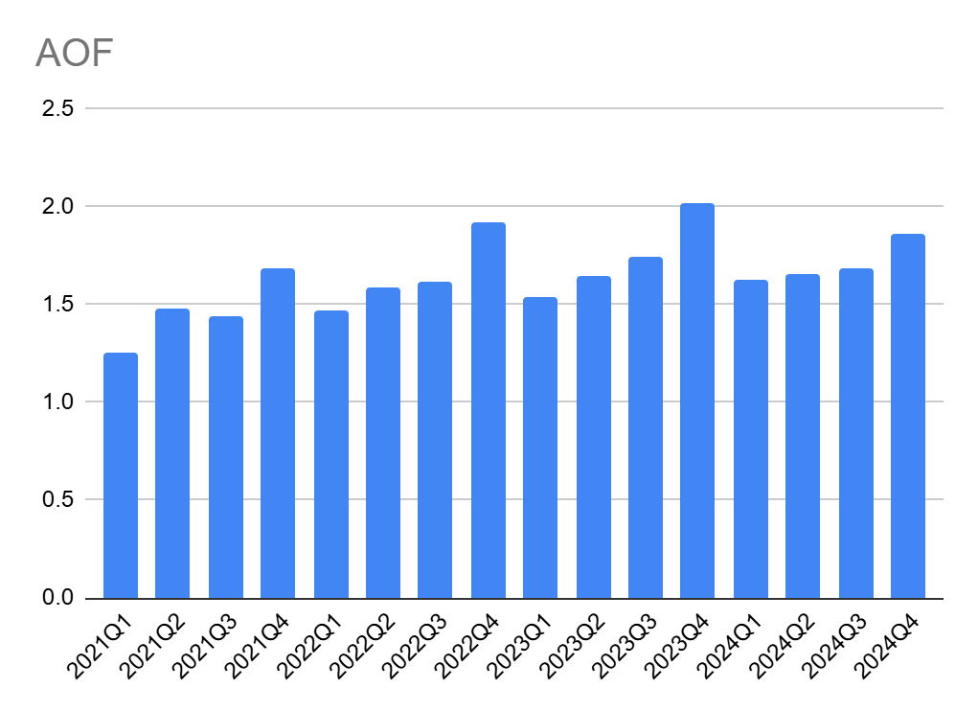
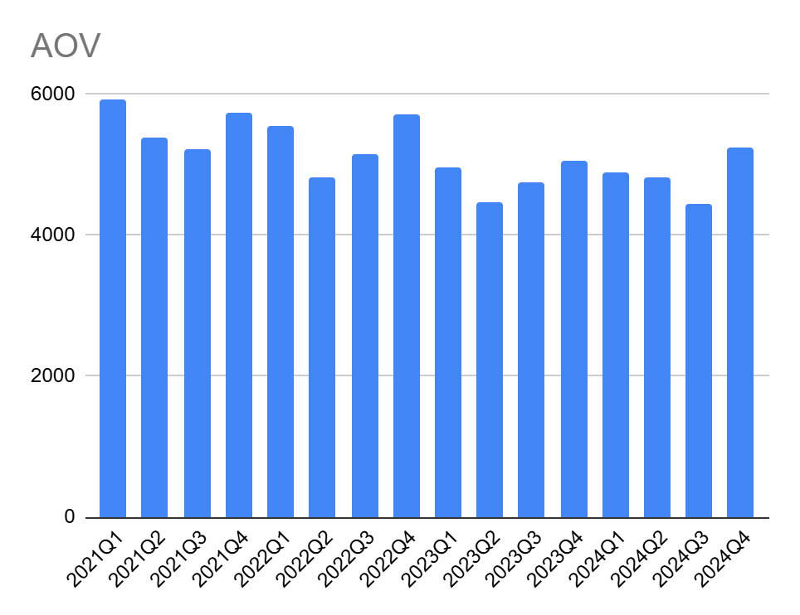
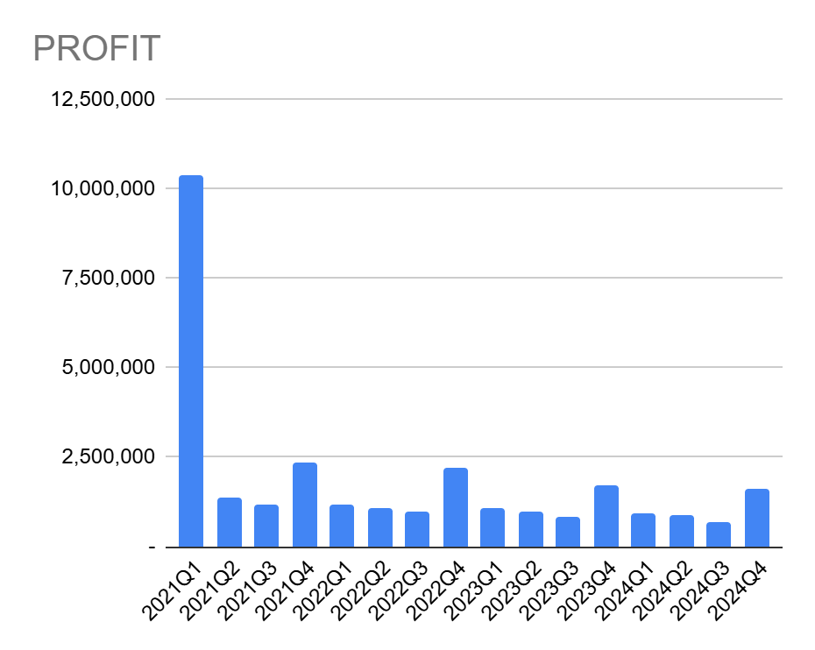
2022Q3 | 245 | 396 | 2.040.280 | 988.295 | 78% | 8328 | 1.6 | 5152
2022Q4 | 420 | 808 | 4.619.175 | 2.215.950 | 134% | 10998 | 1.9 | 5717
2023Q1 | 312 | 481 | 2.391.565 | 1.101.815 | 100% | 7665 | 1.5 | 4972
2023Q2 | 281 | 462 | 2.061.895 | 960.08 | 90% | 7338 | 1.6 | 4463
2023Q3 | 220 | 384 | 1.826.220 | 838.31 | 70% | 8301 | 1.7 | 4756
2023Q4 | 358 | 722 | 3.652.880 | 1.726.835 | 114% | 10204 | 2 | 5059
2024Q1 | 244 | 397 | 1.945.185 | 908.215 | 78% | 7972 | 1.6 | 4900
2024Q2 | 236 | 390 | 1.882.925 | 884.84 | 75% | 7978 | 1.7 | 4828
2024Q3 | 201 | 338 | 1.504.580 | 703.56 | 64% | 7485 | 1.7 | 4451
2024Q4 | 353 | 657 | 3.447.070 | 1.627.065 | 113% | 9765 | 1.9 | 5247

comparative
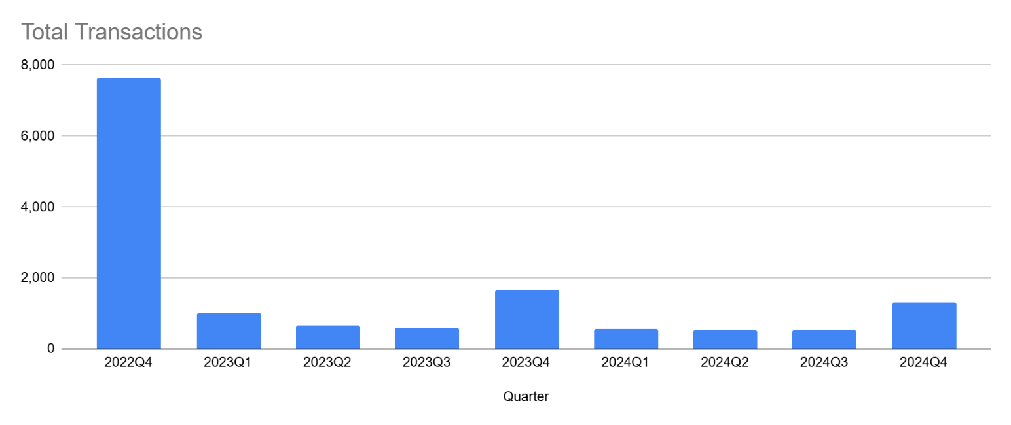
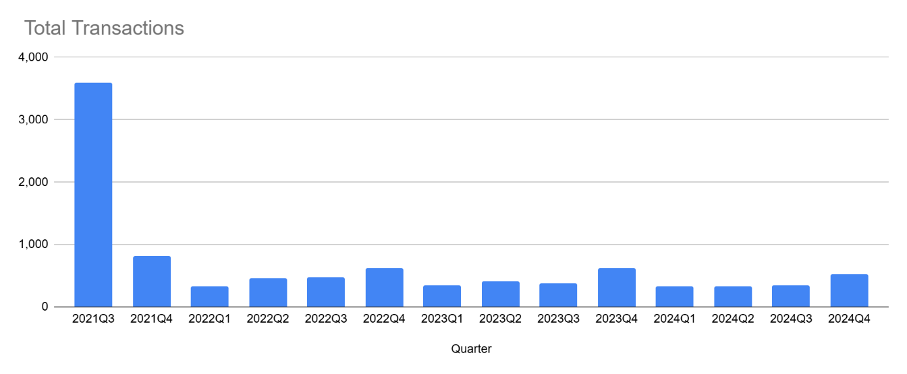
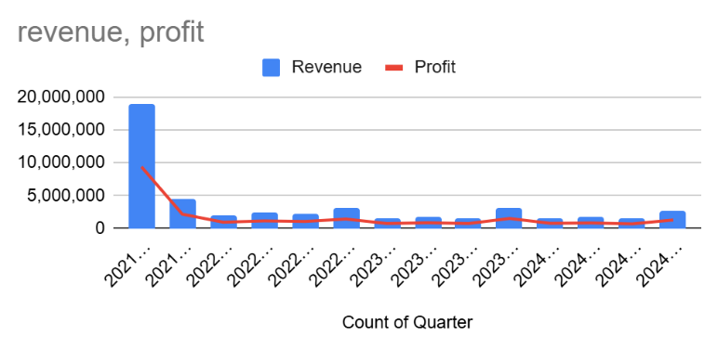
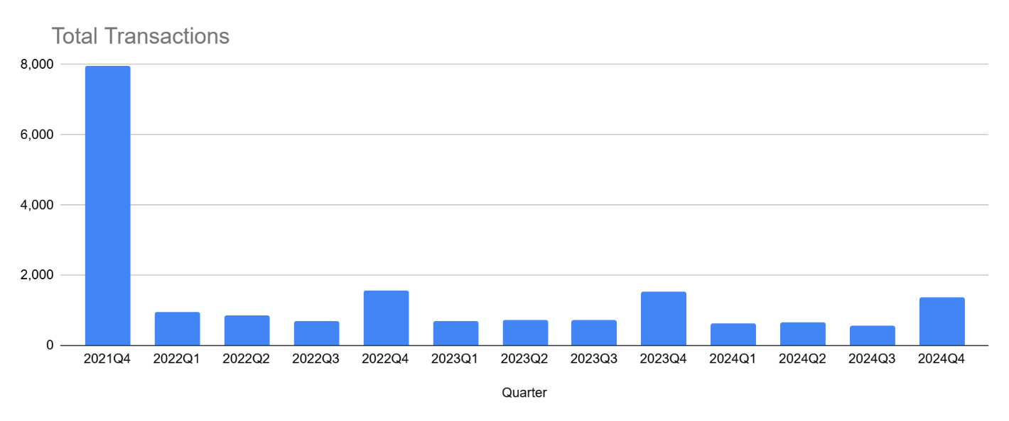
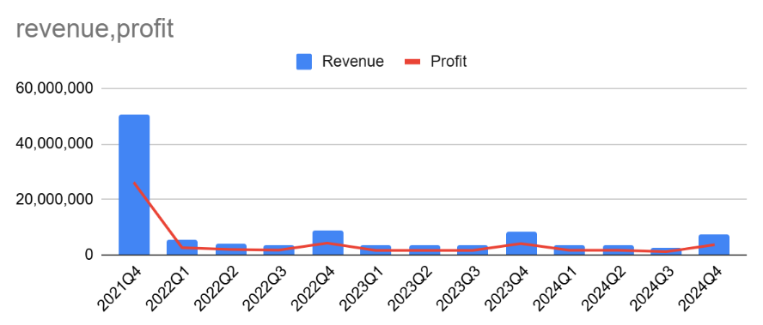
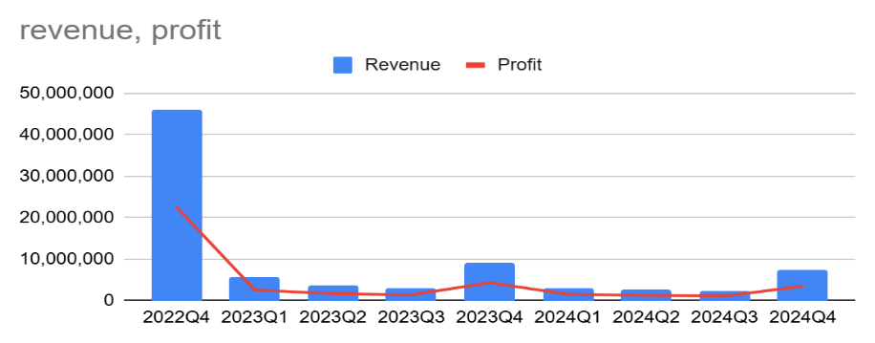
Quarter | # Customers | Total Transactions | Revenue | Profit | % active | Avg spend/active customer | AOF | AOV | Quarter | # Customers | Total Transactions | Revenue | Profit | % active | Avg spend/active customer | AOF | AOV | Quarter | # Customers | Total Transactions | Revenue | Profit | % active | Avg spend/active customer | AOF | AOV
2021Q3 | 2.842 | 3.593 | 18.866.045 | 9.389.215 | 100% | 6638 | 1.3 | 5251
2021Q4 | 529 | 818 | 4.377.010 | 2.173.325 | 19% | 8274 | 1.5 | 5351 | 2021Q4 | 6.161 | 7.98 | 50.815.985 | 26.164.050 | 100% | 8248 | 1.3 | 6368
2022Q1 | 237 | 325 | 1.908.940 | 942.755 | 8% | 8055 | 1.4 | 5874 | 2022Q1 | 619 | 939 | 5.396.435 | 2.596.110 | 10% | 8718 | 1.5 | 5747
2022Q2 | 318 | 467 | 2.357.300 | 1.154.450 | 11% | 7413 | 1.5 | 5048 | 2022Q2 | 546 | 855 | 4.014.505 | 1.990.010 | 9% | 7353 | 1.6 | 4695
2022Q3 | 317 | 468 | 2.213.530 | 1.063.370 | 11% | 6983 | 1.5 | 4730 | 2022Q3 | 451 | 696 | 3.515.930 | 1.742.015 | 7% | 7796 | 1.5 | 5052
2022Q4 | 366 | 615 | 3.017.685 | 1.435.610 | 13% | 8245 | 1.7 | 4907 | 2022Q4 | 939 | 1.579 | 8.754.185 | 4.264.700 | 15% | 9323 | 1.7 | 5544 | 2022Q4 | 5.881 | 7.651 | 46.089.890 | 22.577.830 | 100% | 7837 | 1.3 | 6024
2023Q1 | 234 | 339 | 1.575.365 | 740.795 | 8% | 6732 | 1.4 | 4647 | 2023Q1 | 418 | 687 | 3.430.020 | 1.596.375 | 7% | 8206 | 1.6 | 4993 | 2023Q1 | 690 | 1.011 | 5.531.845 | 2.540.340 | 12% | 8017 | 1.5 | 5472
2023Q2 | 254 | 408 | 1.804.770 | 868.56 | 9% | 7105 | 1.6 | 4423 | 2023Q2 | 442 | 738 | 3.375.460 | 1.614.635 | 7% | 7637 | 1.7 | 4574 | 2023Q2 | 473 | 675 | 3.571.370 | 1.677.170 | 8% | 7550 | 1.4 | 5291
2023Q3 | 269 | 385 | 1.582.735 | 742.94 | 9% | 5884 | 1.4 | 4111 | 2023Q3 | 430 | 731 | 3.476.385 | 1.640.210 | 7% | 8085 | 1.7 | 4756 | 2023Q3 | 420 | 601 | 2.838.000 | 1.371.040 | 7% | 6757 | 1.4 | 4722
2023Q4 | 358 | 625 | 3.222.065 | 1.519.155 | 13% | 9000 | 1.7 | 5155 | 2023Q4 | 885 | 1.542 | 8.510.590 | 4.095.850 | 14% | 9616 | 1.7 | 5519 | 2023Q4 | 999 | 1.66 | 8.927.160 | 4.306.665 | 17% | 8936 | 1.7 | 5378
2024Q1 | 220 | 323 | 1.638.945 | 766.755 | 8% | 7450 | 1.5 | 5074 | 2024Q1 | 381 | 625 | 3.439.535 | 1.651.705 | 6% | 9028 | 1.6 | 5503 | 2024Q1 | 387 | 562 | 3.135.275 | 1.509.805 | 7% | 8101 | 1.5 | 5579
2024Q2 | 224 | 338 | 1.742.675 | 828.905 | 8% | 7780 | 1.5 | 5156 | 2024Q2 | 384 | 654 | 3.467.475 | 1.650.495 | 6% | 9030 | 1.7 | 5302 | 2024Q2 | 343 | 522 | 2.546.775 | 1.241.075 | 6% | 7425 | 1.5 | 4879
2024Q3 | 230 | 349 | 1.446.720 | 692.78 | 8% | 6290 | 1.5 | 4145 | 2024Q3 | 351 | 561 | 2.413.840 | 1.158.025 | 6% | 6877 | 1.6 | 4303 | 2024Q3 | 356 | 518 | 2.251.975 | 1.074.480 | 6% | 6326 | 1.5 | 4347
2024Q4 | 311 | 523 | 2.693.735 | 1.293.325 | 11% | 8662 | 1.7 | 5151 | 2024Q4 | 743 | 1.364 | 7.542.645 | 3.669.875 | 12% | 10152 | 1.8 | 5530 | 2024Q4 | 778 | 1.3 | 7.285.410 | 3.469.510 | 13% | 9364 | 1.7 | 5604
 |  |  | 3q 2021 |  |  |  |  |  |  |  |  | 4q 2021 |  |  |  |  |  |  |  |  | 4q 2022

annual
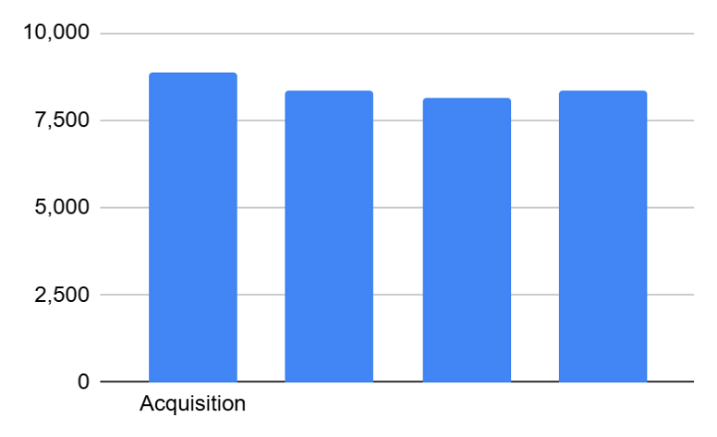
Revenue
 | 2021 | 2022 | 2023 | 2024
Pre-2021 | 75.539.904 | 61.713.306 | 57.535.363 | 55.477.923 | Acquisition
2021 | 131.869.557 | 52.597.105 | 45.025.838 | 41.006.845 | 2021 | 2022 | 2023 | 2024
2022 | 0 | 106.151.953 | 40.414.088 | 31.974.173 | 8.841 | 8.345 | 8.122 | 8.338
2023 | 0 | 0 | 123.174.634 | 44.414.436
2024 | 0 | 0 | 0 | 152.727.328 | Retention rate
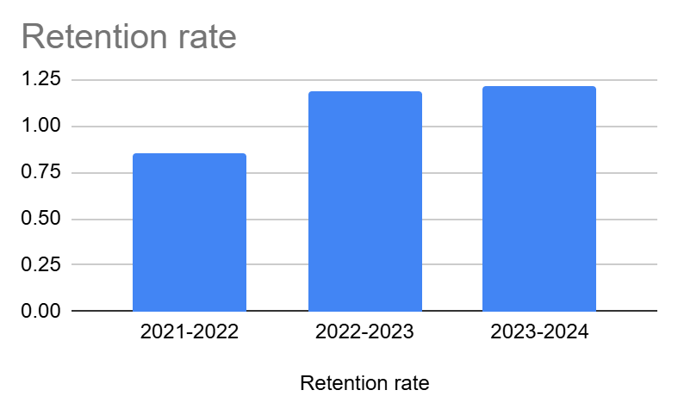
 |  |  |  |  | 2021-2022 | 0.85
Profit |  |  |  |  | 2022-2023 | 1.19
 | 2021 | 2022 | 2023 | 2024 | 2023-2024 | 1.21
Pre-2021 | 37.487.742 | 30.335.338 | 27.485.475 | 26.831.497
2021 | 66.061.534 | 25.603.149 | 21.266.119 | 19.554.051
2022 | 0 | 51.967.834 | 19.015.788 | 15.258.799
2023 | 0 | 0 | 59.071.749 | 20.970.296
2024 | 0 | 0 | 0 | 73.401.526

# Customers
 | 2021 | 2022 | 2023 | 2024
Pre-2021 | 5.751 | 4.636 | 4.233 | 3.921
2021 | 14.915 | 4.107 | 3.491 | 3.075
2022 |  | 12.72 | 3.389 | 2.686
2023 |  |  | 15.166 | 3.799
2024 |  |  |  | 18.316

Total Transactions
 | 2021 | 2022 | 2023 | 2024
Pre-2021 | 13.739 | 11.475 | 11.331 | 10.581
2021 | 22.911 | 10.035 | 9.346 | 8.197
2022 |  | 18.64 | 7.992 | 6.336
2023 |  |  | 22.735 | 9.002
2024 |  |  |  | 27.144

